Title
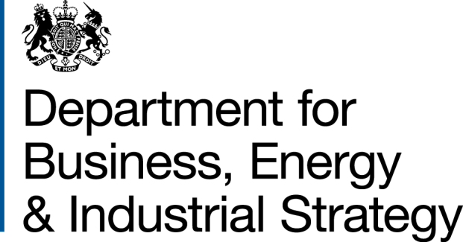
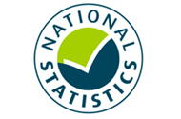

 | Household Energy Efficiency
 | Statistics

Please direct all press enquiries to Press Officer 020 7215 5975

Responsible Statistician
Helene Clark
EnergyEfficiency.Stats@beis.gov.uk
020 7215 1259

This workbook was updated on 27 August 2020

Further Info
Further information
© Crown copyright 2020. You may re-use this information (not including logos) free of charge in any format or medium, under the terms of the Open Government Licence.
To view this licence, visit www.nationalarchives.gov.uk/doc/open-government-licence/
or write to the Information Policy Team, The National Archives, Kew, London TW9 4DU, or email: psi@nationalarchives.gsi.gov.uk.
Any enquiries or comments in relation to this statistical release should be sent to the Household Energy Efficiency Statistics Team at the following email address: EnergyEfficiency.Stats@beis.gov.uk or following contact telephone: 020 7215 1259. The statistician responsible for this publication is Helene Clark.
This document is also available from our website at: https://www.gov.uk/government/collections/household-energy-efficiency-national-statistics
Further information on energy statistics is available at: https://www.gov.uk/government/organisations/department-for-business-energy-and-industrial-strategy/about/statistics
For further information on background and Green Deal and Energy Company Obligation (ECO) policies, please see annex from the following detailed report (March 2020):
https://www.gov.uk/government/statistics/household-energy-efficiency-national-statistics-detailed-report-2019
Revision Policy
As with any data collection with a short time lag between data receipt and published release, there may be some data quality issues to resolve. Therefore data in these headline releases should be treated as provisional and subject to revision. Any revisions will be marked in the data tables and for any significant revisions we will provide an explanation of the main reasons.
Methodology Note and Background Quality Report
The statistics presented in this report are used by a wide range of organisations. Please see the accompanying methodology note and the background quality report (summarising the quality assurance relating to the statistics) for more details: https://www.gov.uk/government/publications/household-energy-efficiency-statistics-methodology-note
National Statistics
This is a National Statistics publication. The United Kingdom Statistics Authority has designated these statistics as National Statistics, in accordance with the Statistics and Registration Service Act 2007 and signifying compliance with the UK Statistics Authority: Code of Practice for Statistics. The Statistics Authority published its report on 12 June 2014: https://www.statisticsauthority.gov.uk/assessment/assessment-report/index.html
Designation can be broadly interpreted to mean that the statistics:
• meet identified user needs
• are well explained and readily accessible
• are produced according to sound methods, and
• are managed impartially and objectively in the public interest
Once statistics have been designated as National Statistics it is a statutory requirement that the Code of Practice shall continue to be observed.

Overall Summary
Overall Summary
Introduction
This release presents the latest statistics on the Energy Company Obligation (ECO) and the Green Deal (GD).
Key points
Energy Efficiency Measures, Households and Carbon Savings
The Government established a target to upgrade around 1 million homes between May 2015 and April 2020. Provisional data for April 2020 suggests the target has been met as around 1,003,500 homes have had at least one improvement measure installed under ECO or the Green Deal (Infographic 1, Table 1.3).
Around 2.9 million measures were installed in around 2.2 million properties through ECO and under the Green Deal Framework to the end of June 2020. Around 2.8 million of these installed measures (97 per cent) were delivered through ECO (Tables 1.1 and 1.2).
In Q2 2020, around 49,600 measures were installed through ECO in around an additional 19,600 households (Tables 3.3 and 4.1). The number of measures installed in Q2 2020 was 26 per cent lower than in Q1 2020, while the number of households recieving a measure in Q2 2020 was 39 per cent lower than in Q1 2020, due to the impact of Covid-19 and the introduction of social distancing and lockdown measures during that period. The number of measures installed by day indicates the low installation levels through April and early May, followed by an increase through June (Chart 9).
The provisional estimated lifetime carbon savings of measures installed by the end of June 2020, under ECO (including Affordable Warmth), Cashback, GDHIF and GD Plans was up to 51.8 MtCO2 with provisional estimated lifetime energy savings up to 199,900 GWh (Table 1.4).
ECO Measures Installed and Households
Provisional figures show there were around 2.79m measures installed in 2.12m households under ECO up to the end of June 2020 (Tables 2.3 to 2.8).
Since the start of ECO3 in October 2018, 354,500 measures have been installed. This includes 27,200 measures installed in June 2020, which provisionally represents a more than doubling relative to the number of measures delivered in May 2020 (Table 2.5). The magnitude of this increase suggests that delivery levels have begun to recover from the onset of COVID-19, which had led to lower than average installation numbers in April and May 2020. If the rate of delivery in June 2020 is compared to March 2020 instead, we see a 9 per cent increase in the rate of ECO3 delivery relative to the pre-lockdown period. Suppliers have until March 2022 to deliver their ECO3 obligations.
Of all notified ECO3 measures installed up to the end of June 2020, around half of all measures were heating measures and the other half were insulation measures. More specifically, there were around 29 per cent boiler measures, 23 per cent 'other heating measures' (90 per cent of which were heating controls), 17 per cent cavity wall insulation, 12 per cent loft insulation, five per cent solid wall insulation and 14 per cent 'other insulation' (99 per cent of which were for under floor insulation) (Table 2.8).
The share of 'heating' measures has increased in ECO3 compared to the previous ECO phases, with boiler measures representing 29 per cent of measures and a further 23 per cent from ‘other heating’ measures up to the end of June 2020. This is due to the Affordable Warmth obligation, the only sub-obligation to include boilers, making up the whole of ECO3. Of all notified ECO3 measures installed to end of June 2020, 17 per cent were for cavity wall insulation, 12 per cent were for loft insulation and five per cent were for solid wall insulation. These are much higher than the share of insulation measures through Affordable Warmth across all ECO phases, where nine per cent were for cavity wall insulation, nine per cent were for loft insulation and two per cent were for solid wall insulation (Table 2.8). In ECO3, the share of 'other insulation' has increased to 14 per cent. This is due to under floor insulation being the most popular associated insulation measure with a broken boiler. To date, the scheme has delivered 50,200 broken boiler replacements with an associated insulation measure, which has been under floor insulation in 83 per cent of cases (Tables 2.6, 2.7 & 2.8, Chart 2a & 2b).
Through ECO, the combination of Affordable Warmth and the Carbon Savings Community Obligation have delivered around 1.71 million measures in around 1.20 million low income and vulnerable households, or households in specified areas of low income, by the end of June 2020 (Tables 2.6, 2.7 & 2.8). Since the start of April 2017, around 498,600 Affordable Warmth measures have been installed in around 315,500 low income and vulnerable households (Tables 2.7 and 2.8).
Up to the end of June 2020, around one fifth (18 per cent) of ECO measures were in the North West (508,900), the highest in any region. Twelve per cent of ECO measures were installed in Scotland (348,500) and five per cent were in Wales (152,300). In Q2 2020 around 22 per cent of ECO measures were in the North West (10,700), the highest in any region. Six per cent of ECO measures were installed in Scotland (2,900) and around four per cent were in Wales (1,900) (Infographic 3, Table 3.3).
Around eight per cent of all households in Great Britain had a measure installed under ECO (i.e. around 79 per 1,000 households), up to the end of June 2020. The North West and North East regions had the highest amounts in England, with 119 and 105 households with ECO measures per 1,000 households respectively. There were also around 116 measures per 1,000 households in Scotland and 82 per 1,000 households in Wales (Map 1, Table 4.1 and Table 4.4).
In total, to the end June 2020, around 84 per cent of ECO measures were installed in properties that used gas as their main fuel type (around 2,356,200 measures). This figure has decreased from 97 per cent in the first quarter of ECO to 59 per cent in the last quarter of ECO Help-to-Heat (Q3 2018) before rising to 83 per cent in Q2 2020 (Chart 3, Table 3.2).
Around 1,225,500 Affordable Warmth ECO measures installed up to the end of June 2020 are estimated to deliver £14.13bn worth of notional lifetime bill savings. In Q2 2020, Affordable Warmth delivered around 49,600 measures, resulting in around £333m of lifetime bill savings (Chart 4, Table 2.1).
Local Authorities can determine eligible homes under the ‘flexible eligibility’ mechanism. The Affordable Warmth Obligation is measured through lifetime savings and up to 25 per cent of the ECO3 obligation can be delivered through ‘Flexible Eligibility’. Up to June 2020, 162 local authorities had seen 50 or more measures installed through Flexible Eligibility, 38 of which had over 500 measures installed. Scotland had the highest number of flex measures installed of any region, with around 19 per cent of the flex measures in Great Britain, whereas Wales had 15 per cent. The South West region had the highest share of any region in England, with around 16 per cent of all flex measures installed in Great Britain (Table 3.5).
Since the introduction of Flexible Eligibility, 81,800 measures have been delivered through this aspect of the scheme up to the end of June 2020 (Tables 2.7 & 2.8). Under ECO3, up to 25 per cent of the obligation can be delivered through Flex, with around 19 per cent of this obligation delivered through Flex up to the end of June 2020 (Chart 5).
ECO Costs
The total ECO delivery costs up to the end of March 2020 were around £4.30bn, with an additional £454m in administrative costs. This meant that the total cost of ECO for the period was £4.76 billion. (Table 6.1). The delivery costs for ECO3 up to the end of March 2020 were £516m, with 40 per cent of these costs funding boiler and 'other heating' systems. (Table 6.6, Chart 6)
Green Deal Plans
Green Deal (GD) Plans – there were 13,867 ‘live’ or ‘completed’ GD Plans in unique homes at the end of July 2020. Of these, 10,952 were ‘live’ (all measures installed) and 2,915 were 'completed' (all measures installed and paid off). At the end of July 2020, 79 per cent of all plans were 'live'. Over the last three months (May - July 2020) 96 plans were ‘completed’, compared to 142 completions in the previous three months (February - April 2020) (Table 7.1).

Monthly Summary
Monthly Summary
Key points
ECO Measures Installed and Households
Provisional figures show there were around 2.79m measures installed in 2.12m households under ECO up to the end of June 2020 (Tables 2.3 to 2.8).
Since the start of ECO3 in October 2018, 354,500 measures have been installed. This includes 27,200 measures installed in June 2020, which provisionally represents a more than doubling relative to the number of measures delivered in May 2020 (Table 2.5). The magnitude of this increase suggests that delivery levels have begun to recover from the onset of COVID-19, which had led to lower than average installation numbers in April and May 2020. If the rate of delivery in June 2020 is compared to March 2020 instead, we see a 9 per cent increase in the rate of ECO3 delivery relative to the pre-lockdown period. Suppliers have until March 2022 to deliver their ECO3 obligations.
Of all notified ECO3 measures installed up to the end of June 2020, around half of all measures were heating measures and the other half were insulation measures. More specifically, there were around 29 per cent boiler measures, 23 per cent 'other heating measures' (90 per cent of which were heating controls), 17 per cent cavity wall insulation, 12 per cent loft insulation, five per cent solid wall insulation and 14 per cent 'other insulation' (99 per cent of which were for under floor insulation) (Table 2.8).
Since the start of April 2017, around 498,600 Affordable Warmth measures have been installed in around 315,500 low income and vulnerable households (Tables 2.7 and 2.8).
Since the introduction of Flexible Eligibility, 81,800 measures have been delivered through this aspect of the scheme up to the end of June 2020 (Tables 2.7 & 2.8). Under ECO3, up to 25 per cent of the obligation can be delivered through Flex, with around 19 per cent of this obligation delivered through Flex up to the end of June 2020 (Chart 5).

Charts
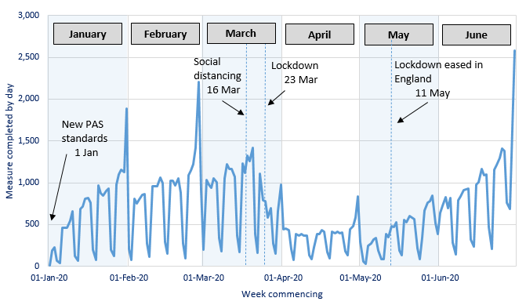
Chart 1: ECO measures installed, by obligation, by month, up to end June 2020 | Chart 2a: Share of all ECO measures installed, by measure type, by ECO phase, up to end June 2020
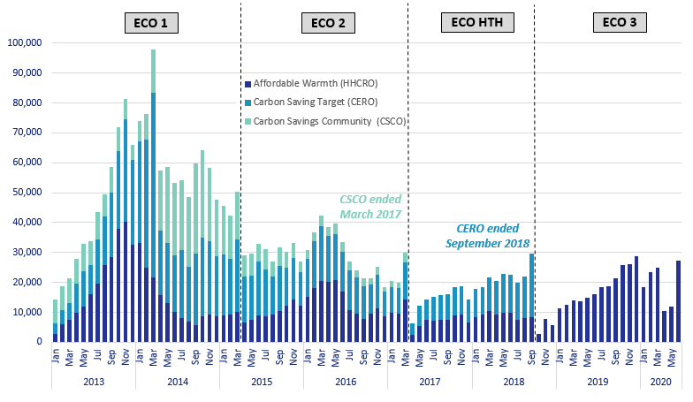
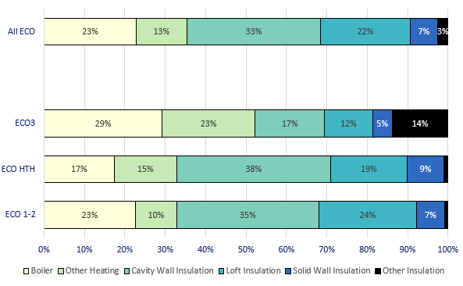

Chart 3: ECO measures by main fuel type of property, by quarter, up to end June 2020 | Chart 2b: Share of all Affordable Warmth measures, by measure type, by ECO phase, up to end June 2020

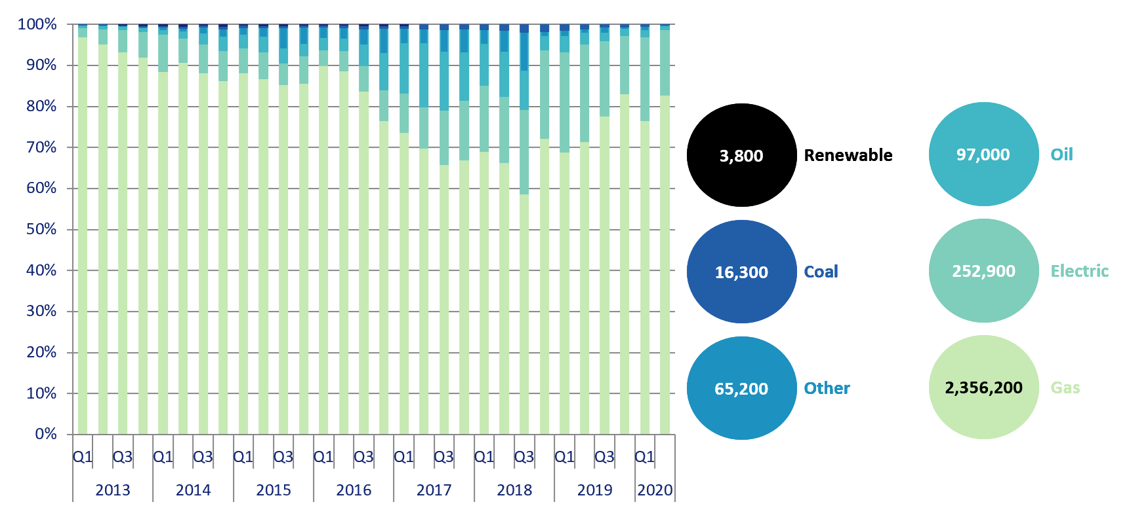
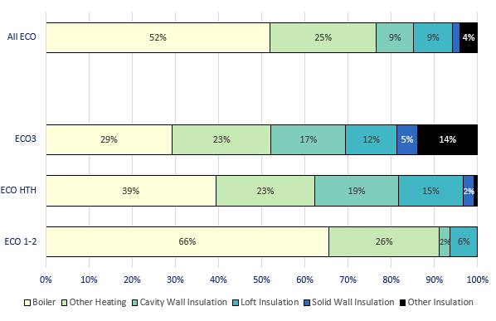

Chart 4: Estimated lifetime bill savings for Affordable Warmth measures, by installation quarter, up to end June 2020 | Chart 5: Number of ECO3 Flexible Eligibility Measures by installation month and share of Affordable Warmth obligation delivered through flex, up to end June 2020

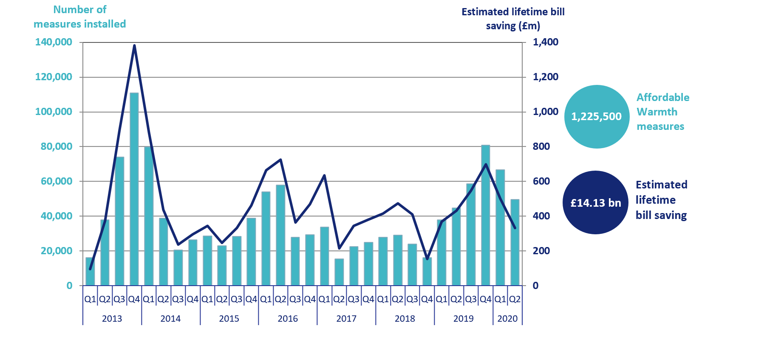
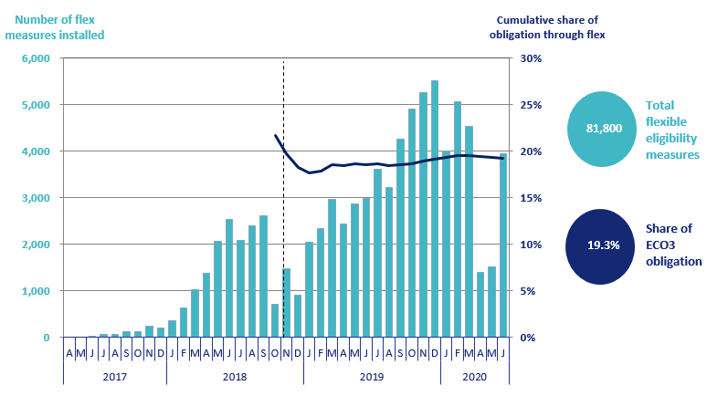

Chart 6: ECO3 costs, by cost type, by quarter, up to end March 2020 | Chart 7: Green Deal Plans, by ‘Live’ or ‘Completed’ status, by quarter, up to end June 2020
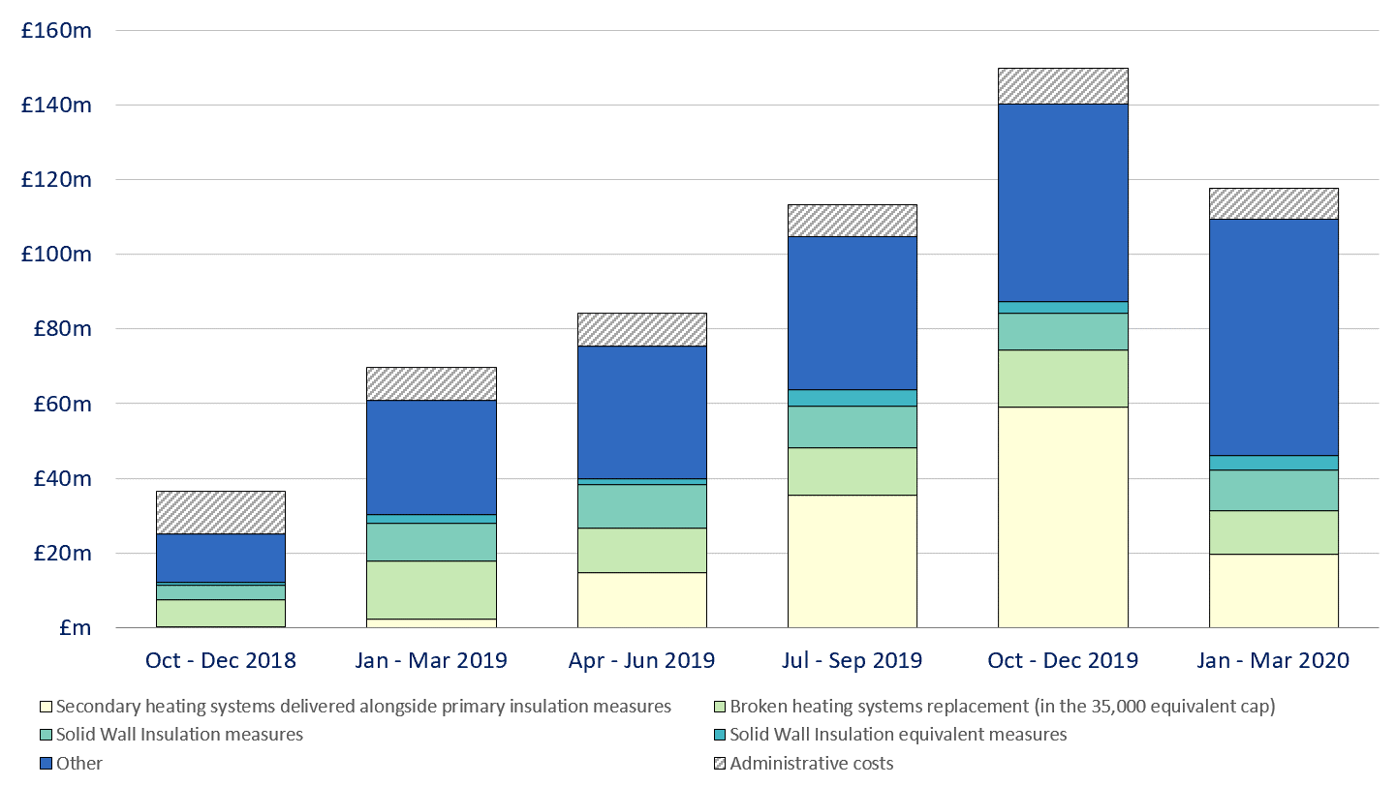
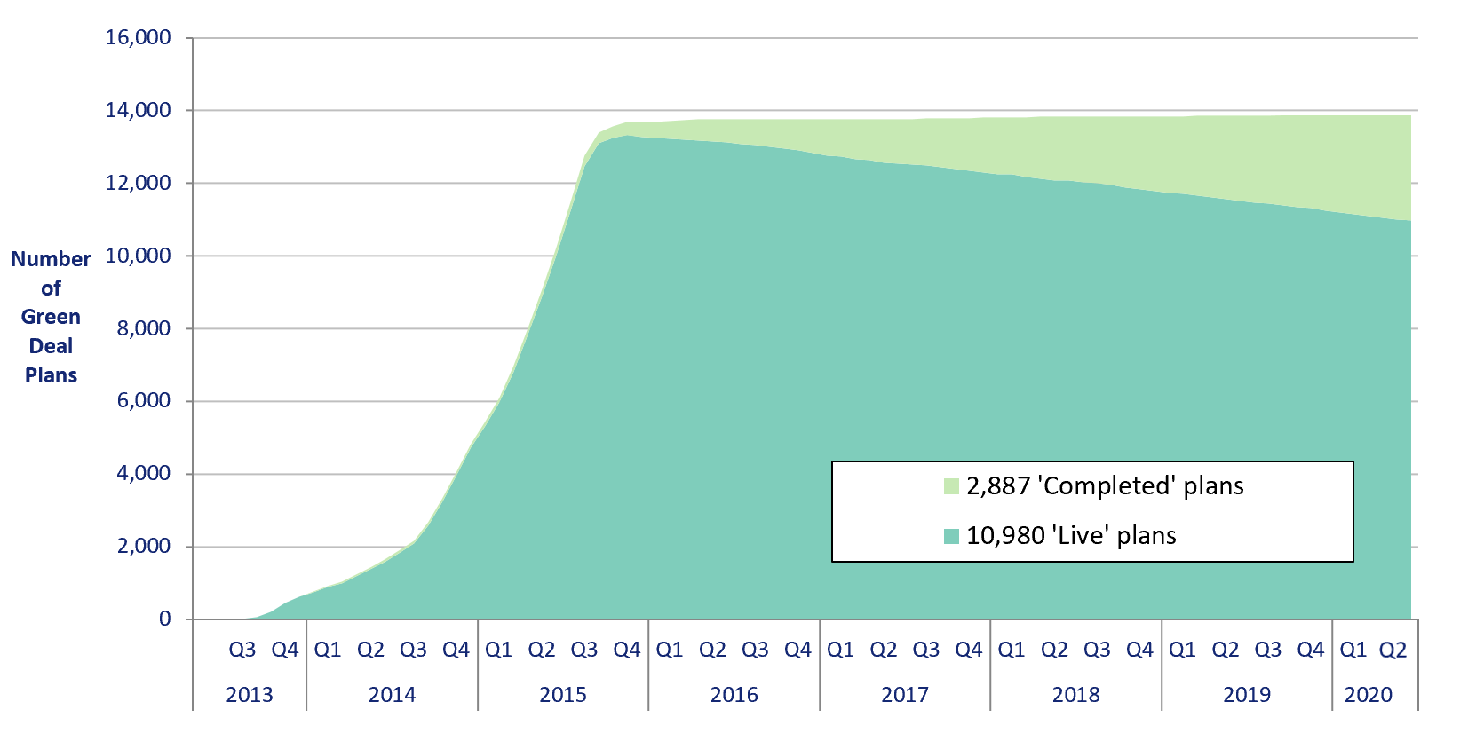

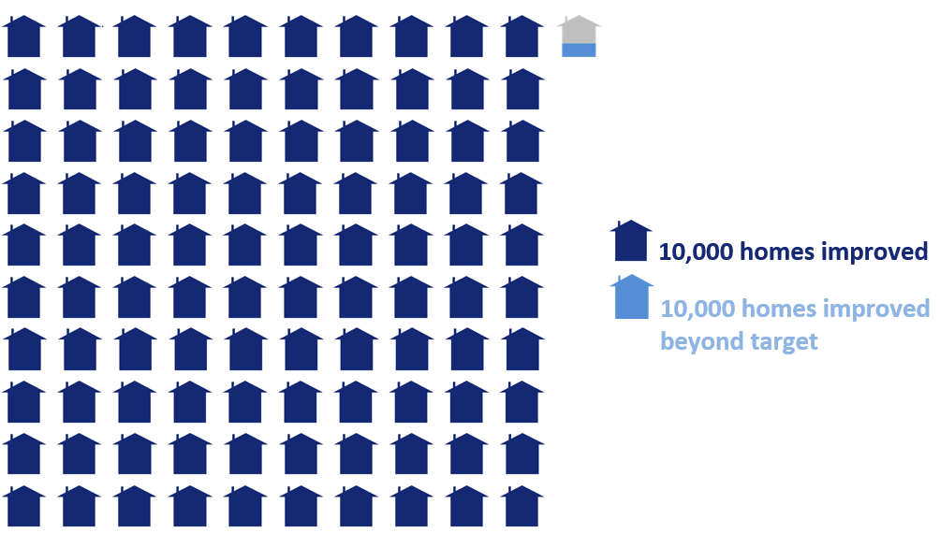
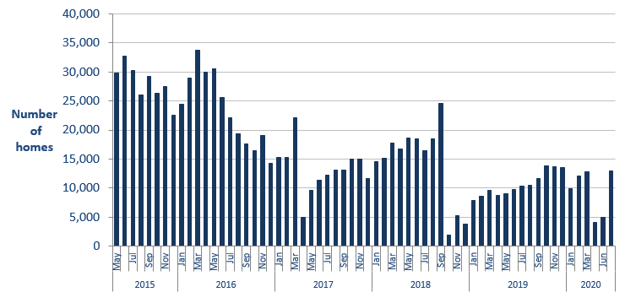
Infographic 1: Proportion of the 1 million homes target achieved, up to end April 2020 | Chart 8: Homes that have had an improvement measure, up to end June 2020

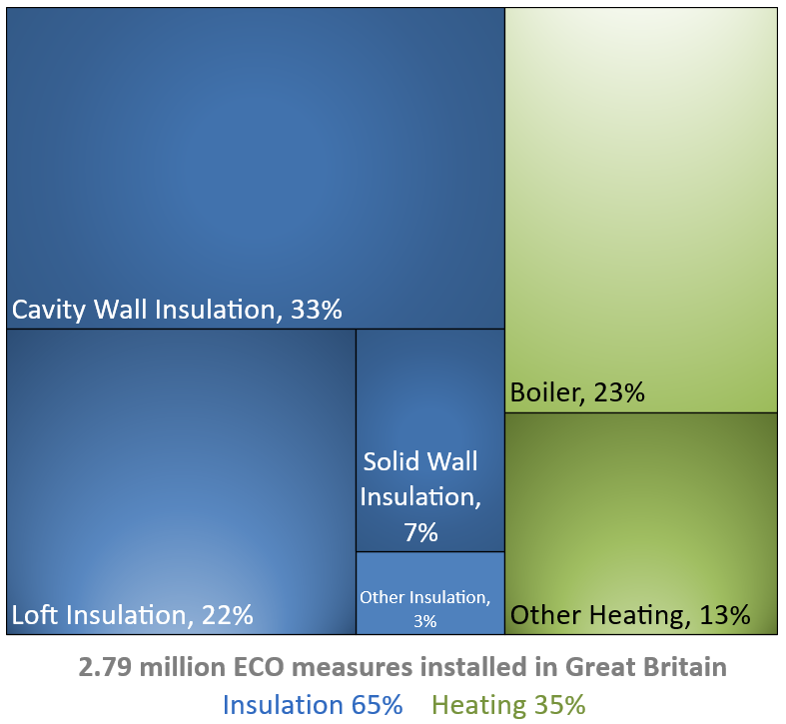
Infographic 2: ECO measures by measure type, up to end June 2020 | Infographic 3: ECO measures by region, up to end June 2020
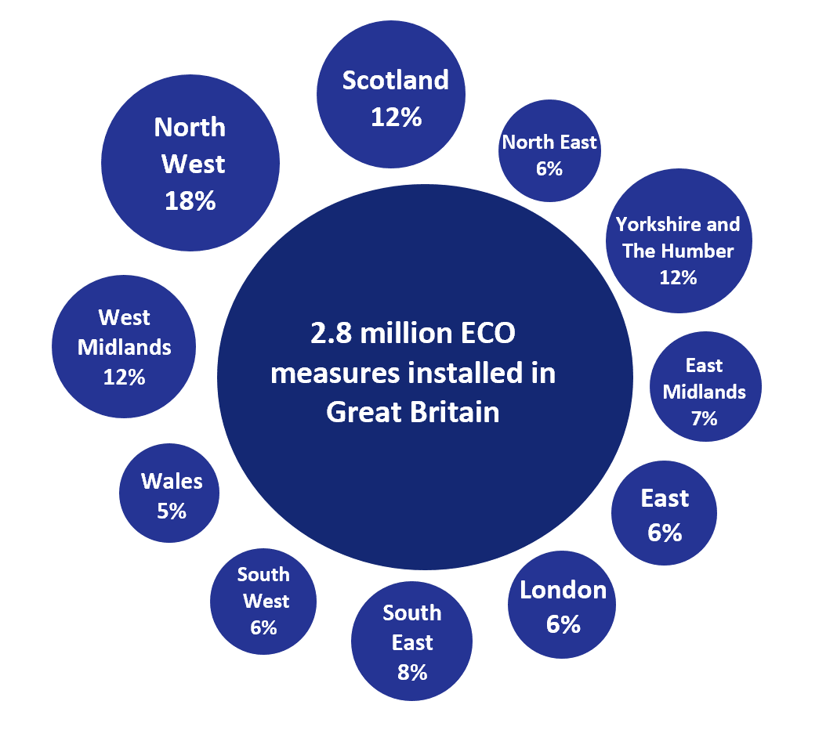

Chart 9: ECO measures installed by day from 1st January 2020 to 30th June 2020

Map1
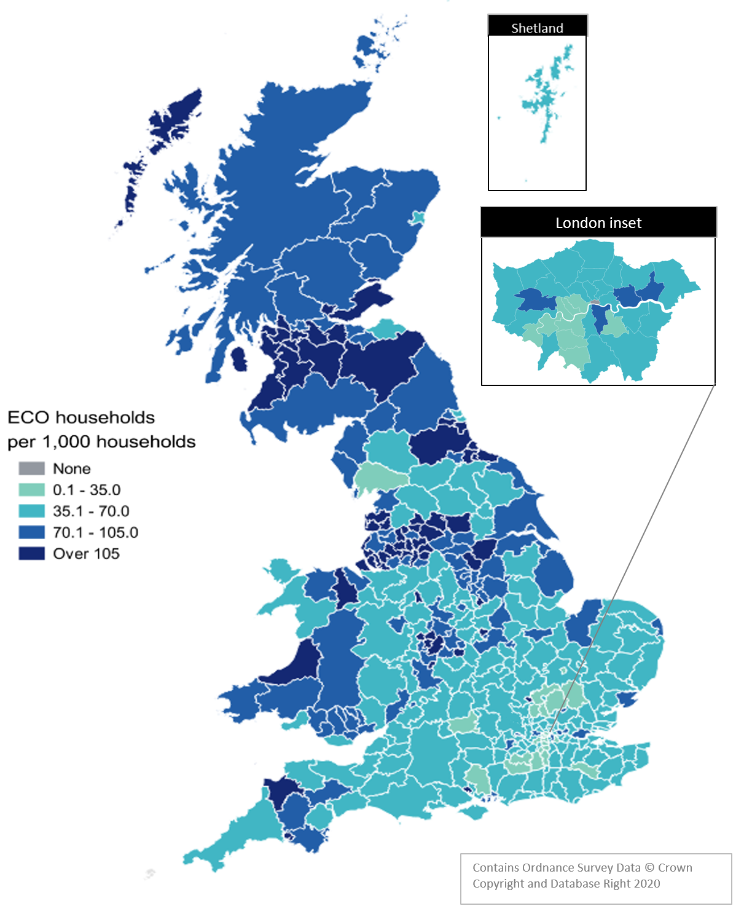
Map 1 – Households in receipt of ECO measures by Local Authority per 1,000 households, up to end June 2020

Map2
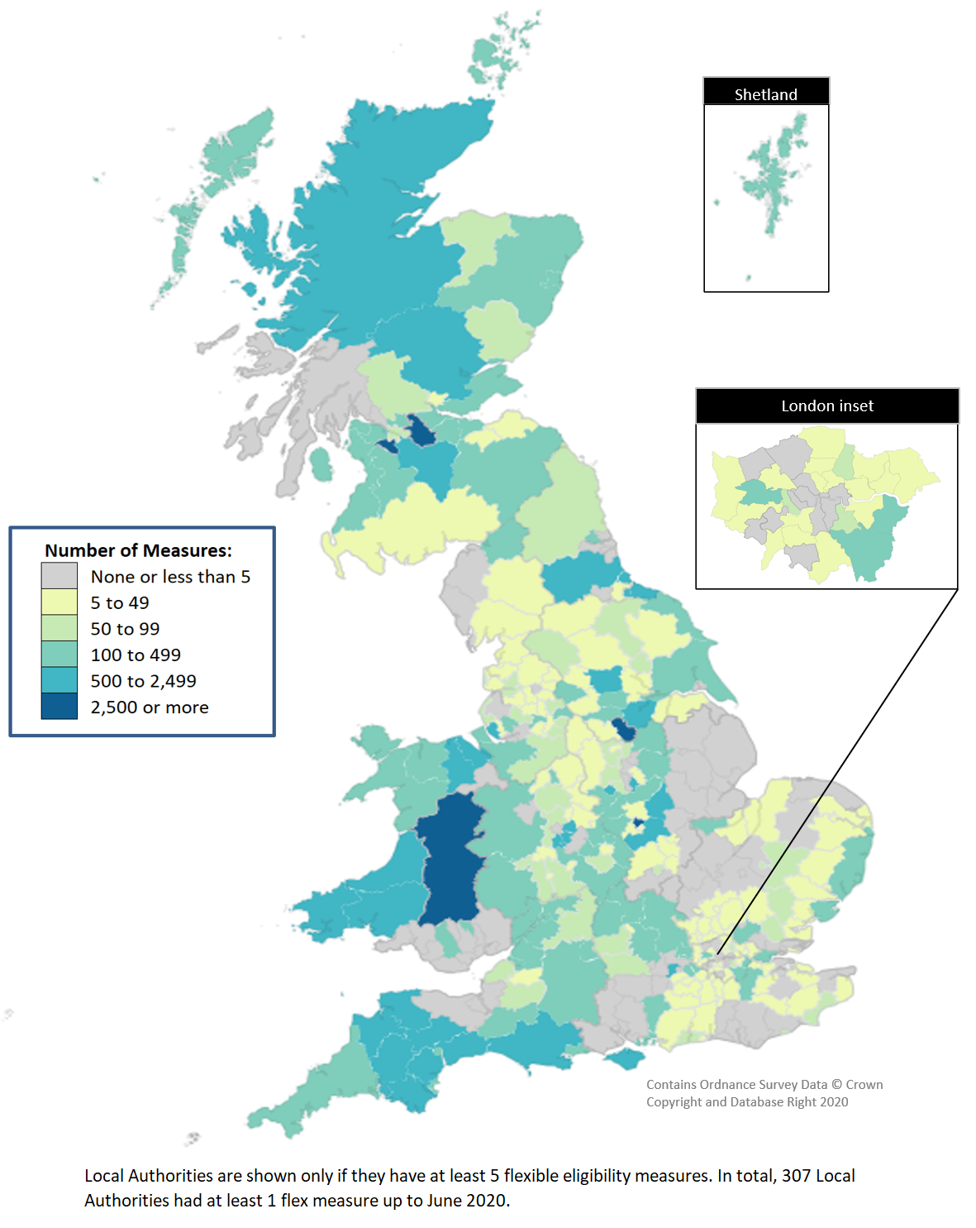
Map 2 - ECO measures installed through Flexible Eligibility, by Local Authority (April 2017 - June 2020)

